1. Title Page
[Project Name]

Project Name: Instacart Grocery Basket Analysis
Date: 20 December 2021
Analyst Name: Lekshmi Anand

Contents:
Population Flow
Consistency checks
Wrangling steps
Column derivations
Visualizations
Recommendations

Data Citation : | “The Instacart Online Grocery Shopping Dataset 2017”, Accessed from https://www.instacart.com/datasets/grocery-shopping-2017 on 15 th November 2021 .

2. Population Flow
Title page

Population flow

Exclusion flag
Condition: max_order < 5
Obervations to be removed: 7,989,982
Final total count of order_products_all: 24,414,877

Orders_products_combined
Orders_products_merged
Orders_products_all

Total: 32,404,859
Total: 32,434,489
Total: 32,40,4859

1.) The grey boxes in the first row of the population flow represent the original data sets as they were when you downloaded them. In the Total fields you need to add the count of the rows when you imported the data set into Jupyter.
2.) The second row of boxes (coloured) represents the data sets after you manipulated them, e.g., removed missing values and duplicates. In the Total fields you need to add the count of the rows after conducting these operations. This offers a visual oveview of how the data flows throughout the data consistency checks.
3.) The third row, where also the arrows are coloured, represents the merges you performed between the datasets. In the Total fields you need to add the count of the rows in the merged datasets, so that you end up with the final dataset (in the red box). Keep in mind the final dataset should be without exclusions (based on the exclusion flag).

3. Consistency checks
 |  |  |  | Title page
Consistency checks

Dataset | Missing values | Missing values treatment | Duplicates
orders | days_since_prior_order | Total 206209 Null/ NaN records found and that can be possible if any customer is buying a product for the first time, then this column should have 0 days. So I updated the Null values with 0 days. | None
products | product_name | Total 16 missing records found and those were removed from database | 5 duplicate records found and removed
orders_products_prior | None | N/A | None
customers | None | N/A | None

4. Wrangling steps
 |  |  |  | Title page
Wrangling steps

Columns dropped | Columns renamed | Columns' type changed | Comment/Reason
Orders df: ['eval_set'] |  |  | No need for further analysis
 | Orders df: 'order_dow' column renamed to 'orders_day_of_week'
 |  | Orders df: order_id | Changed to string data type, descriptive analysis not needed on column

 |  | Orders df: user_id | Changed to string data type, descriptive analysis not needed on column
 | orders and product merged df: _merge |  | No longer necessary after merge confirmation
 | orders and product merged df: Unnamed: 0, Unnamed 0.1 |  | Column not needed for analysis
 | Customers df: 'First Name' |  | Changed to 'First_Name' for more descriptive title
 | Customers df: 'n_dependants' |  | Changed to 'No_of_dependants' for more descriptive title
 | Customers df: 'fam_status' |  | Changed to 'Family_status' for more descriptive title
 | Customers df: 'Surnam' |  | Changed to 'Surname' for more descriptive title
 | customer df: STATE |  | Changed to'State, for more descriptive title
 |  | Customers df: 'First Name' | Changed to string data type, due to memory issue
 |  | Customers df: 'Surname' , 'Gender', 'STATE', 'Family_status' | Mentioned columns data types are changed to 'category' due to memory issue
 |  | Customers df: 'No_of_dependants', 'Age' | Mentioned columns data types are changed to 'int8' due to memory issue
 |  | Merged orders and products data set : 'Busiest_Day','price_range_loc' 'Busiest_Days', | Mentioned columns data types are changed to 'category' due to memory issue
 |  | Merged orders and products data set : 'max_order','add_to_cart_order' 'order_number' | Mentioned columns data types are changed to 'int8' due to memory issue
 |  | Merged orders and products data set : 'aisle_id' | Mentioned columns data types are changed to 'int16' due to memory issue
 |  | Merged orders and products data set : 'Spending' | Mentioned columns data types are changed to 'float16' due to memory issue
 |  | Merged orders and products data set : 'prices' | Mentioned columns data types are changed to 'int32' due to memory issue
Final df: Alcohol Order Flag |  |  | Column no longer needed after 'Alcohol Drinker' column created
Final df: Baby product Flag |  |  | Column no longer needed after 'Baby product buyer' column created

5. Column derivations
 |  |  |  | Title page

Column derivations and aggregations

In this tab you should add tables below that the frequences of flags/label variables that you produced after deriving them. NB: don't do this for continuous variables, only for flags.
Dataset | New column | Column/s it was derived from | Conditions
Orders_Products_Merged | Price_Range_loc | prices | Prices>15 results in High-range products, Prices <=15 but >5 results in Mid-range products, Prices =<5 results in Low-range products
Orders_Products_Merged | Busiest_Day | orders_day_of_week | If day of the week value is 0 then Busiest day, if 4 then Least busy, all others are Regularly busy
Orders_Products_Merged | Busiest_Days | orders_day_of_week | If day of the week value is 0 and 1 then Busiest days, if 4 and 3 then Slowest days, all others are Regularly busy
Orders_Products_Merged | busiest_period_of_day | order_hour_of_day | Hour >=2 or <=5 results in Fewest orders, Hour >=9 and <=17 result in Most Orders, else result in Average Orders
Orders_Products_Merged | max_order | user_id & order_number | Using transform(np.max) function for order_number and group by user_id
Orders_Products_Merged | loyalty_flag | max_order | If Max order >40 then Loyal customer, Max order >10 & <=40 the Regular customer, Max order <=10 is New Customer
Orders_Products_Merged | Spending | user_id & prices | Using transform(np.median)) function for prices and group by user_id
Orders_Products_Merged | Spending_Flag | Spending | If Spending < 10 then Low spender, if Spending => 10 then High spender
Orders_Products_Merged | Frequency | user_id & days_since_prior_order | Using transform(np.max) function for days_since_prior_order and group by user_id
Orders_Products_Merged | Order_Frequency_Flag | Frequency | Frequency >20 is Non-frequent, Frequency >10 & <=20 is Regular, Frequency <=10 is Frequent
df_final_data | Region | State | Created four regions based on list of States
df_final_data | Activity_Flag | order_number | Order number <5 is Low_Activity_Customer, Order number >=5 is High_Activity_Customer
df_final_data | Generation_flag | Age | Created three categories based on age
df_final_data | Income_flag | income | Created three income categories based on annual income
df_final_data | Alcohol Order | department_id | If department_id = 5 then 1 else 0
df_final_data | Alcohol Drinker | Alcohol Order | Based on Alcohol Order flag we created Alcohol Drinker column
df_final_data | baby_product_Flag | department_id | If department_id = 18 then 1 else 0
df_final_data | Time_flag | order_hour_of_day | Based on order time created time flag column
df_final_data | Baby product Buyer | Breakfast Order Flag | Based on Breakfast Order Flag we created Breakfast Buyer column

6. Visualizations
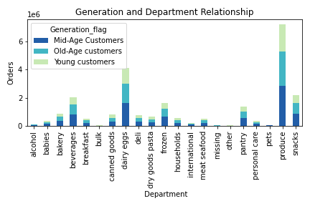
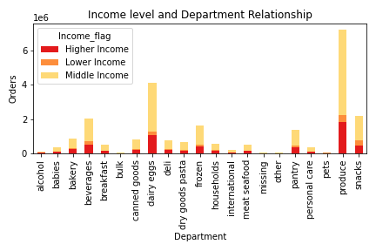
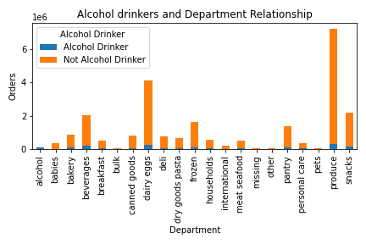
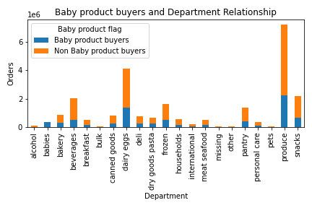
 |  |  |  |  |  |  |  |  | Title page

Visualisations

In this tab you should include all the visualtions from Exercises 4.9 and 4.10, alongside the questions from the project brief that they answer. Include any commentary on the relationship between different variables.

What are the busiest days of the week and hours of the day ?

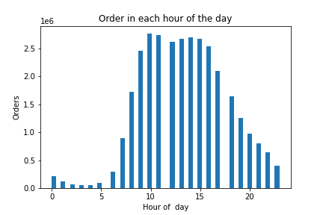
 |  | Number Orders per day |  |  |  |  |  | Number of orders per hour

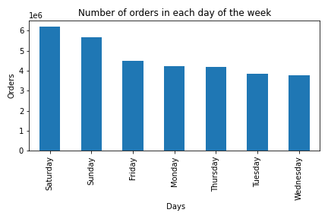

Saturday & Sunday have the highest number of orders placed while Tuesday & Wednesday have the lowest number of orders placed.
Orders get increases in the morning after 8 AM and having highest number of orders at 10 AM. Again after 3 PM in the evening, orders get decreasing. Very few orders are placed through the hours of the night.

Times of the day when people spend the most money

 |  | Order amount for each day of the week |  |  |  |  | Order amount in each hour
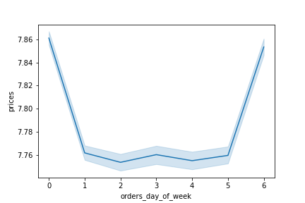
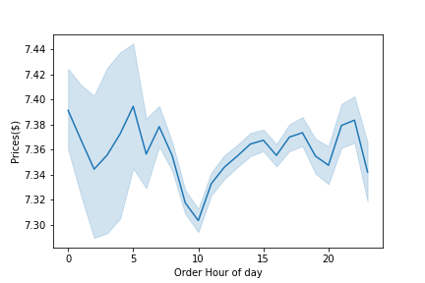

 | People spent more amount on Friday and Saturday |  |  |  |  | Order amount is high during the early morning hours (1 to 8 am)

 | Instacart has a lot of products with different price tags.
 | Marketing and sales want to use simpler price range groupings to help direct their efforts.


 |  |  |  |  | Most of the products have price between 1 and 15$.

 | Which departments have the highest frequency of product orders?

 |  |  | Order count for each department
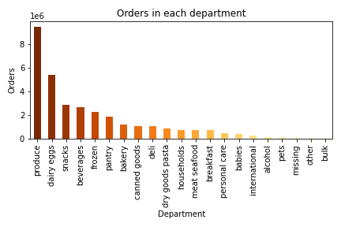

 |  | Produce is the most popular department at Instacart by a large
 |  | margin. Dairy/eggs is the next most popular product, followed by snacks, beverages
 |  | and frozen products. Bulk and other products were the least popular.

 | What category of customers placed more number of orders?
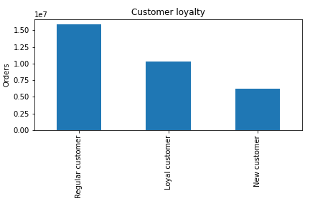

 |  |  |  | Distribution of orders among customers in terms of loyalty and most of the customers are in 'Regular' category

 | Is there a connection between age and family status? and connection between age and spending power?

 |  |  | No. of dependants by age |  |  |  |  | Income by age
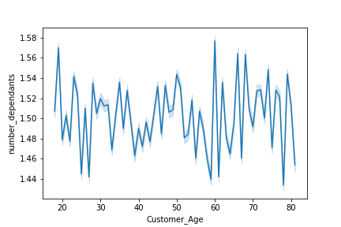
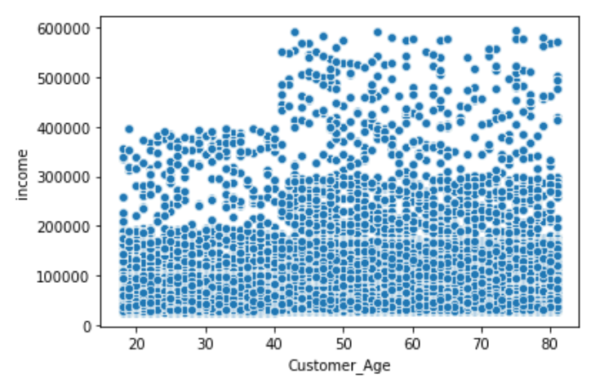

No trends found between the number of dependents and age. The number of dependens varies greatly for each age group.
People get older they get more income and therefore more spending power. We can see a increase in concentration plots just after the 40 year mark.

 |  | What is the distribution of customer profiles?

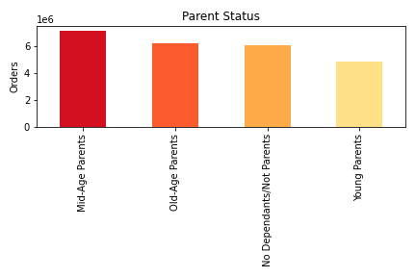
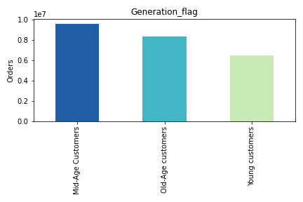
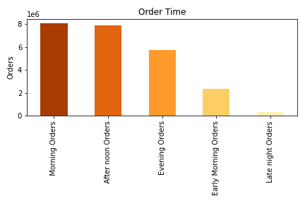

 |  |  |  |  |  |  |  |  | Most of the orders are done during morning
 |  |  |  |  |  |  |  |  | and afternoon hours.Least orders are
Largest percentage of customers are from Middle- Age group, |  |  |  |  |  |  |  |  | made during late night.
followed by older-aged parents and no dependents group,
then finally young parents

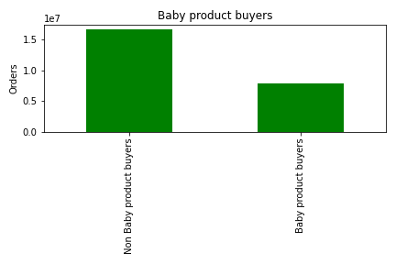
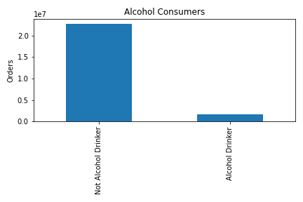
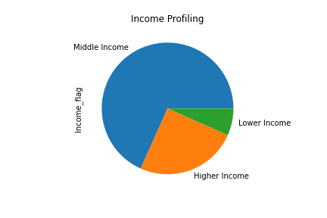

The number of not alcohol drinkers is almost 10 times greater than number of alcohol drinkers.
Middle income families make highest percentage of customers followed by higher income families. Lower income families make up the smallest percentage of customers.
.
The number of non baby product buyers is almost twice greater than number of alcohol drinkers.

 |  | What is the distribution of customer profiles among regions?

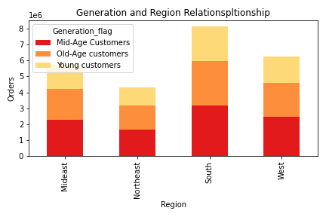
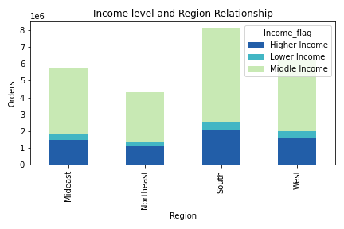
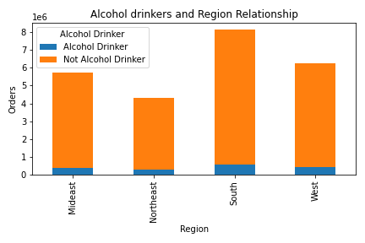
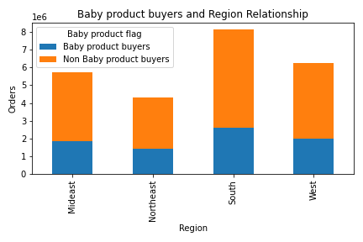

Lower income customers makes low percentage for each region. Middle income customers make up the largest proportion followed by higher income for each region.
Not Alcohol Drinkers groups make the highest percentage for each region (upto 90% and above) whereas Alcohol drinkers make very small portion for each region

7. Recommendations
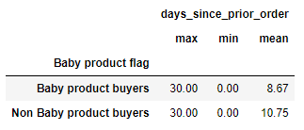
 |  |  |  | Title page

Recommendations

In this tab you should include any recommendations you would made to Instcart in terms of their marketing strategy based on the questions posed in the brief. Every key question has been covered in the Tasks of the Exercises - here you need to add an item - a visualisation or table/crosstable that is showing the answer in the data, acompanied by a comment from you. Please, list the questions below and add the answer underneath.

Question | Answer |  | Visualizations

Number of Orders Per Day
Number of Orders Per Hour
The sales team needs to know what days of the week and hours of the day are the busiest (i.e., the days and times with the most orders) in order to schedule ads at times when there are fewer orders. |  | We can see the weekend is more busiest with orders, I would recommend ads be run on week days to help with Mon - Fri order volume. With the most popular hours being 10am - 3pm & least popular hours being 10pm - 6am, I would focus ads during 6pm - 10pm.

Average Price of Products Purchased Each Hour
The sales team also wants to know whether there are particular times of the day when people spend the most money, as this might inform the type of products they advertise at these times. |  | Surprisingly orders at 1am result in the highest average prices paid (perhaps emergency purchases? or people may spend more time on shopping during the night time). Because marketing at such an uncommon time may not be worthwhile, I would recommend focusing advertising on the 2nd highest paid times at 5am and other hours which having average price of products purchased.

Number of Products in Each Price Category
Instacart has a lot of products with different price tags. Marketing and sales want to use simpler price range groupings to help direct their efforts. |  | Products have been sorted into three price ranges: Price >15 results in High-range price, Price <=15 but >5 results in Mid-range price & Price =<5 results in Low-range price.

Frequency of Orders Placed in Each Department
Are there certain types of products that are more popular than others? The marketing and sales teams want to know which departments have the highest frequency of product orders. |  | Produce is the most popular department followed by dairy/eggs,snacks, frozen then beverages.

Distribution of orders among customers in terms of loyalty
What’s the distribution among users in regards to their brand loyalty (i.e., how often do they return to Instacart)? |  | Roughly 50% of customers are regular. Marketing team should focus on how to change this large percentage of regular customers to loyal customers. Also campaigns and efforts should be taken place to retain the small amount of new customers to ensure they become regulars.

ordering habits based on a customer’s loyalty status

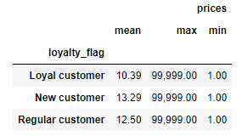
Are there differences in ordering habits based on a customer’s loyalty status? |  | The min and max ordering price is same for all customer categories. But average price for ordering is highest for new customers followed by regular and then loyal customers.

Ordering habits based on a customer’s region

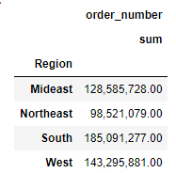
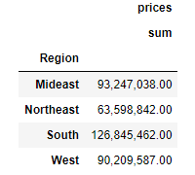
Are there differences in ordering habits based on a customer’s region? |  | South region has the largest number of total orders as well as highest sum of prices paid as compared to other regions. Northeast has lower number of orders as well as sum of prices paid.

Ordering habits based on a family status and age

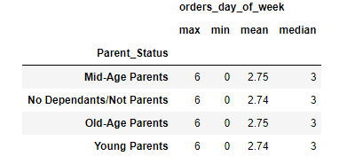
Is there a connection between age and family status in terms of ordering habits? |  | There is no strong co-relation found between the variables

What different classifications does the demographic information suggest? Age? Income? Certain types of goods? Family status? |  | Based on the demographic information provided the following classifications were created: Generation flag (based on age ), Income Level, Alcohol Drinkers Vs. Non-Alcohol Drinkers and baby product buyers. Other classifications can be created depending on the needs of marketing and sales. | Visualizations on the distribution of these classifications are already included in Tab 6(Visualizations).

Distribution of Generation flag by Department
What differences can you find in ordering habits of different customer profiles? Consider the price of orders, the frequency of orders, the products customers are ordering, and anything else you can think of. |  | Trends regarding Generation flags : All three groups tend to buy more products from department id 4 (Produce), followed by departments 16 (Dairy eggs) and 19 (Snacks). Young customers seem to have slightly early shopping hours as compared to others and Mid- Age customers do late hours shopping.

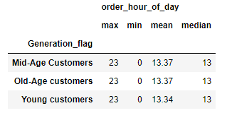

Distribution of Income Level by Department
 |  | Trends regarding Income Level : Each income level places roughly the same percentage of orders from each department - Middle Income Level always make up the largest percentage followed by Higher Income then Lower Income Level.

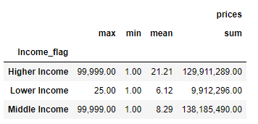

Trends for Alcohol Drinkers



 |  | Trends regarding Alcohol Drinkers: People with high income tend to buy alcohol that means alcohol drinkers have more salary as compared to not alcohol drinkers. Also, they shop more frequently as compared to non alcohol drinkers.

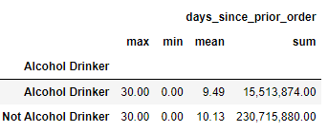

Distribution of Baby product buyers by Department

 |  | Trends regarding Babyproduct buyers : Babyproduct buyers are comparetively very less than non babyproduct buyers. Baby product buyers shops frequently compared to non baby product buyers.

